Spending Plan Instructions
Fresh Fruit and Vegetable (FFVP) Program Toolkit
1. From Tennessee: Meals, Accounting, and Claiming (TMAC) Claims page, click on FFVP
 | 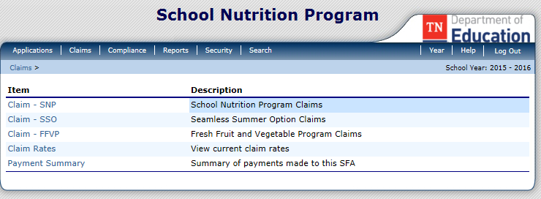
2. When the page opens, check the Grant Details School Year
 | 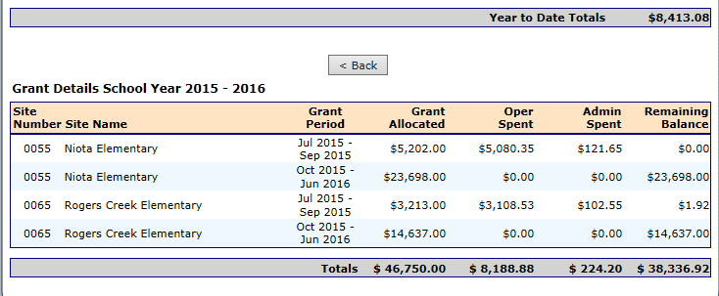
 | Allocations are listed by school
 | Enter these amounts into the Spending Plan by school
a | Allocation for July–September | Enter as first allocation on budget
b | Allocation for October–June | Enter as second allocation on budget

3. Using school calendar and the number of serving days per week from the school's FFVP application,
enter the number of serving days per month for the year.
4. This provides an estimated amount available to spend monthly for all costs for the program.
5. Utilize this tool to plan, and adjust expenses as the year progresses. Note that the funds
remaining column provides a total of what is left to spend from that allocation period.

CFDA 10.582

Office of School Nutrition • Andrew Johnson Tower, 10th floor • 710 James Robertson Parkway • Nashville, TN 37243
Tel: 800-354-3663 • Fax: 615-532-5303 • tn.gov/education

