Checklist
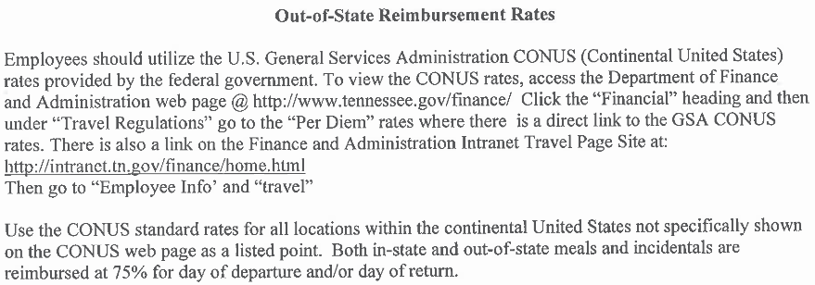
Please use this checklist to check this invoice before sending it to TDOT:

 | Vendor name
 | Vendor contact information (including remittance address)
 | Invoice date
 | Pay terms (i.e. due now, net 30, etc.)
 | TDOT project numbers (State and Federal [if applicable])
 | Only one project per invoice
 | All charges are within the contract terms
 | - | Currently, TDOT caps reimbursement at 80% of the contract total until work is finalized
 | Invoice number
 | - | A unique number assigned by the vendor. If one is not included on the invoice, TDOT will assign one.
 | Billing period (Beginning and End Dates)
 | - | Only include one fiscal year per invoice (begins July 1st; ends June 30th)
 | Check all addition and mathematical calculations
 | TDOT will use the industry standard in regard to “rounding” being 3 decimals
 | - | i.e. $1,080.927 will be considered $1,080.93
 | The invoice should be marked Partial or Final Payment
 | Invoice summary sheet must be signed by company representative
 | The vendor's current overhead rate must be used on this invoice
 | - | If an overhead rate of greater than 125% is used, please be prepared to provide proof of this overhead rate
 | Please check to ensure that the total amount invoiced does not put you over the contract amount

*** See General Reimbursement Information on the next sheet to check the current reimbursement rates.

General Reimbursement Information:

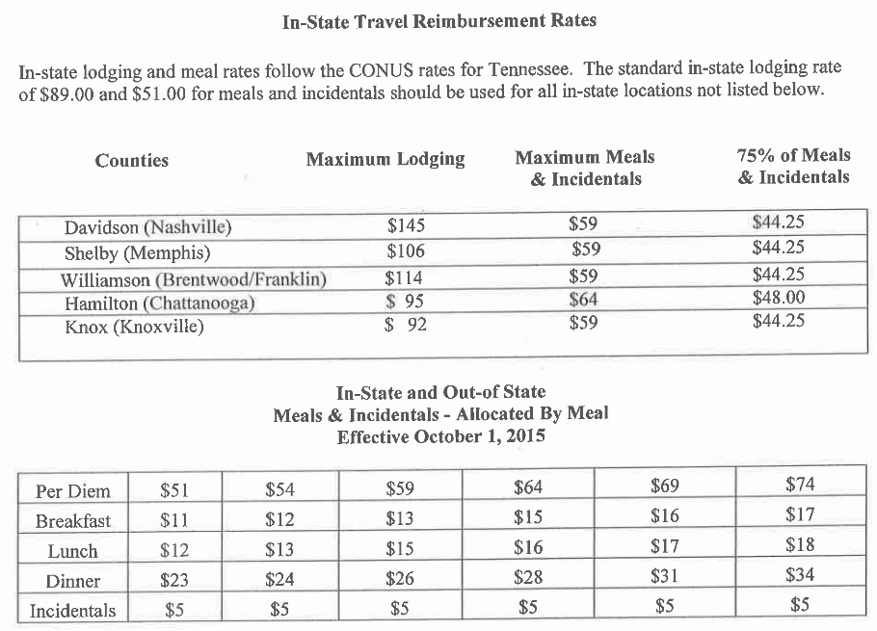

*** 75% of the Per Diem rate above should be used for partial/travel days.

