Definitions
Edition: June 26, 2018
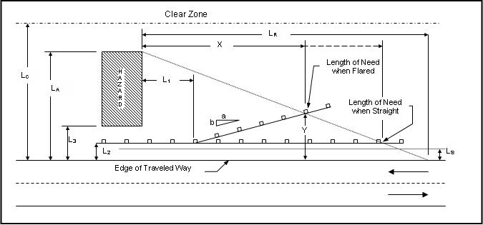
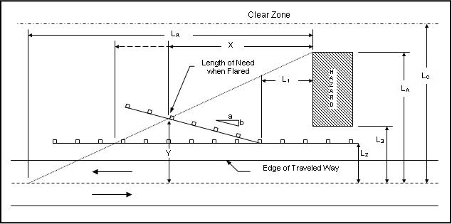
Approaching Traffic
Opposing Traffic

 | Definitions:
X: | The Length of Need (LON) is the total length of a longitudinal barrier needed upstream to shield an area of concern. The LON point for a given system is usually confirmed by successfully passing a redirection crash test with impace at the LON point.
Y: | The lateral offset of the end of the LON for when the barrier system has a flare. NOTE: this is NOT the same as a flare associated with a terminal.
LA: | The lateral distance from the edge of the traveled way to the far side of the fixed object or hazard.
LC: | The clear zone width, measured from the edge of the traveled way. LC serves as a check on LA. *It is not necessary to shield a hazard beyond the clear zone, so LA does not have to be greater than LC. (See RDG Table 3-1 and FLHBG Table 2.1.)
L3: | The lateral distance from the edge of the traveled way to the front edge of the hazard.
L2: | The offset of the roadside barrier measured from the edge of the traveled way to the front face of the barrier, and is generally the shoulder width plus any extra widening for the guardrail. L2 should be greater than the LS shy-line offset, but that may not always be practical for short, isolated installations.
LR: | The runout length, measured longitudinally from the upstream extent of the hazard along the edge of roadway to the point where a vehicle is assumed to leave the roadway. (See RDG Table 5-10 and FLHBG Table 4.1.)
LS: | The shy-line offset distance beyond which a roadside object will not be perceived as an obstacle and result in a motorist's reducing speed or changing vehicle position on the roadway. A shy-line offset should be provided if possible, but is not always needed on low volume roads. (See RDG Table 5-7 and FLHBG Table 4.2.)
a:b | If the barrier is placed on a flare, the flare is described as a:b. The flare a:b is in the standard section of the barrier and is not related to any flare that may be required for an end treatment. A flatter flare is suggested when a barrier is located within the shy-line offset distance. (See RDG Table 5-9 and FLHBG Table 4.3.)
L1: | If a flare in the standard section is used, L1 is the tangent length of the barrier measured from the upstream limit of the hazard and defines the beginning point of the flare.

US Customary Calculations
Edition: June 26, 2018
US CUSTOMARY |  | Hints
 | Givens |  |  | LookUps
 | Design Speed (mph) | 35 |  | Ls | 4.5 | Shy Distance
 | ADT (<=) | 1500 |  | Lr | 95 | Runout Length
 |  |  |  |  |  | Clear Zone
 |  |  |  | Lc | 12

Approaching Traffic LON (measured from the right side of vehicle, or ETW) |  |  |  |  |  |  | Opposing Traffic LON (measured from the left side of vehicle, or centerline)
 | Fill Slope | 1V:5H to 1V:4H |  | Lh | 12 |  |  | Fill Slope | 1V:5H to 1V:4H |  | Lh | 12
 | La (ft) | 22 |  | Lh is the smaller of La or Lc |  |  |  | La (ft) | 22 |  | Lh is the smaller of La or Lc
 | L2 (from ETW right, ft) | 11 |  |  |  |  |  | L2 (from ETW left, ft) | 12

 | System Flare? | No | On Outside Curve? | No |  |  |  | System Flare? | No | On Outside Curve? | No
 |  | 25 |  | 820 |  |  |  |  | 25 |  | 820

 | Connect to Structure? | No | Use Terminal | TL-2 | OK for <=45 mph |  |  | Connect to Structure? | No | Use Terminal | TL-2 | OK for <=45 mph
 |  | 20 | Length (ft) | 25 |  |  |  |  | 18 | Length (ft) | 25

 | LON for Parallel Run (no system flare) |  |  |  |  |  |  | LON for Parallel Run (no system flare)
 | X = | Lh - L2 | = | 1.0000 | = | 7.9 |  | X = | Lh - L2 | = | 0.0000 | = | 0.0 | Only need a terminal.
 |  | (Lh/Lr) |  | 0.1263 |  |  |  |  | (Lh/Lr) |  | 0.1263

 | LON for Flared Run |  |  |  |  |  |  | LON for Flared Run
 | X = | Lh + (b/a)L1 - L2 | = |  | = |  |  | X = | Lh + (b/a)L1 - L2 | = |  | =
 |  | (b/a) + (Lh/Lr) |  |  |  |  |  |  | (b/a) + (Lh/Lr)

 | Y = | Lh - X(Lh/Lr) | = |  |  |  |  | Y = | Lh - X(Lh/Lr) | =

 |  |  | See Definitions for more information. |  |  |  |  |  |  | See Definitions for more information.

Approaching Traffic

Opposing Traffic

 | Contract Amount for Approach Guardrail |  |  |  |  |  |  | Contract Amount for Opposing Guardrail

 |  |  | Terminal Length |  | Guardrail Length |  |  |  |  | Terminal Length |  | Guardrail Length
 | 0 |  | 25 |  | Parallel | -12.50 |  | 0 |  | 25 |  | Parallel | -12.50
 |  |  |  |  | Flared |  |  |  |  |  |  | Flared

 | Contract Amount for In-between Guardrail |  |  |  |  |  |  | Contract Amount for In-between Guardrail
 | Include length connecting the approach and opposing guardrail installations |  |  |  |  |  |  | Include length connecting the approach and opposing guardrail installations

Metric Calculations
Edition: June 26, 2018
METRIC |  | Hints
 | Givens |  |  | LookUps
 | Design Speed (km/h) | 80 |  | Ls | 2 | Shy Distance
 | ADT (<=) | 2000 |  | Lr | 49 | Runout Length
 |  |  |  | Lc | 5.5 | Clear Zone

Approaching Traffic LON (measured from the right side of vehicle, or ETW) |  |  |  |  |  |  | Opposing Traffic LON (measured from the left side of vehicle, or centerline)
 | Fill Slope | 1V:6H or flatter |  | Lh | 5.5 |  |  | Fill Slope | 1V:5H to 1V:4H |  | Lh | 5.5
 | La (m) | 12 |  | Lh is the smaller of La or Lc |  |  |  | La (m) | 7 |  | Lh is the smaller of La or Lc
 | L2 (from ETW right, m) | 1.8 |  |  |  |  |  | L2 (from ETW left, m) | 5

 | System Flare? | No | On Outside Curve? | No |  |  |  | System Flare? | No | On Outside Curve? | No
 |  | 7.6 |  | 500 |  |  |  |  | 10 |  | 500

 | Connect to Structure? | Yes | Use Terminal | TL-3 | OK for >=60 mph |  |  | Connect to Structure? | No | Use Terminal | TL-3 | OK for >=60 mph
 | Length (m) | 13.34 | Length (m) | 12.42 | SBT TL-2 Terminal |  |  |  | 3.81 | Length (m) | 12.42 | SBT TL-2 Terminal

 | LON for Parallel Run (no system flare) |  |  |  |  |  |  | LON for Parallel Run (no system flare)
 | X = | Lh - L2 | = | 3.7000 | = | 33.0 |  | X = | Lh - L2 | = | 0.5000 | = | 4.5
 |  | (Lh/Lr) |  | 0.1122 |  |  |  |  | (Lh/Lr) |  | 0.1122

 | LON for Flared Run |  |  |  |  |  |  | LON for Flared Run
 | X = | Lh + (b/a)L1 - L2 | = |  | = |  |  | X = | Lh + (b/a)L1 - L2 | = |  | =
 |  | (b/a) + (Lh/Lr) |  |  |  |  |  |  | (b/a) + (Lh/Lr)

 | Y = | Lh - X(Lh/Lr) | = |  |  |  |  | Y = | Lh - X(Lh/Lr) | =

 |  |  | See Definitions for more information. |  |  |  |  |  |  | See Definitions for more information.

Approaching Traffic

Opposing Traffic

 | Contract Amount for Approach Guardrail |  |  |  |  |  |  | Contract Amount for Opposing Guardrail

 | Transition Length |  | Terminal Length |  | Guardrail Length |  |  |  |  | Terminal Length |  | Guardrail Length
 | 13.34 |  | 12.42 |  | Parallel | 11.43 |  | 0 |  | 12.42 |  | Parallel | -7.62
 |  |  |  |  | Flared |  |  |  |  |  |  | Flared

 | Contract Amount for In-between Guardrail |  |  |  |  |  |  | Contract Amount for In-between Guardrail
 | Include length connecting the approach and opposing guardrail installations |  |  |  |  |  |  | Include length connecting the approach and opposing guardrail installations

